READ ME
 | Beginning December 15, 2025, there will be a change to coverage codes and risk / industry codes used in ELANY systems. Coverage codes for excess line placements will be simplified to include a wider range of risks. With this restructuring, it is necessary to expand the risk/industry codes that describe the insureds' business. The risk/industry codes will be 4-digits and align to the NIACS codes at the highest level (sector).

 | · | Brokers must select from coverage / export codes based on policy inception date and must select a more specific risk / industry code based on the insured.
 | · | Coverage and risk / industry codes filed with ELANY prior to December 15, 2025 will remain unchanged.
 | · | Programmatic filings must align, using appropriate coverage and risk/industry codes.
 | Export codes will be updated to remain in line with coverage codes.

 | These changes will apply to policies that have inception dates on or after January 1, 2026.

 | The enclosed sheets include 'slicers' to make navigating the lists easier. To filter the list to specific codes or categories in the slicer, simply click on the appropriate slicer button.

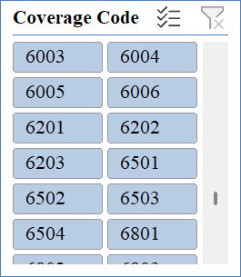
 |  | click to clear slicer and show the full list

Version 1.6 |  |  | 2026-08-19

